UX 示例图
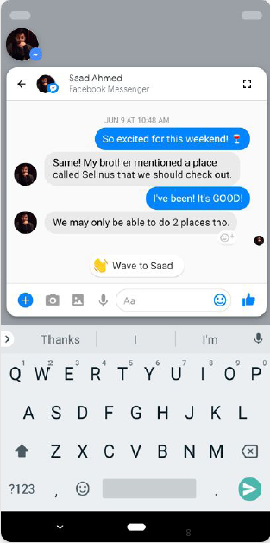

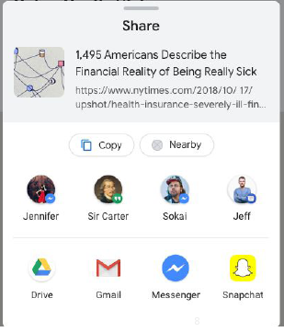

分享对话框，增加Nearby分享， 可定制主题，分享action | bubble对话框

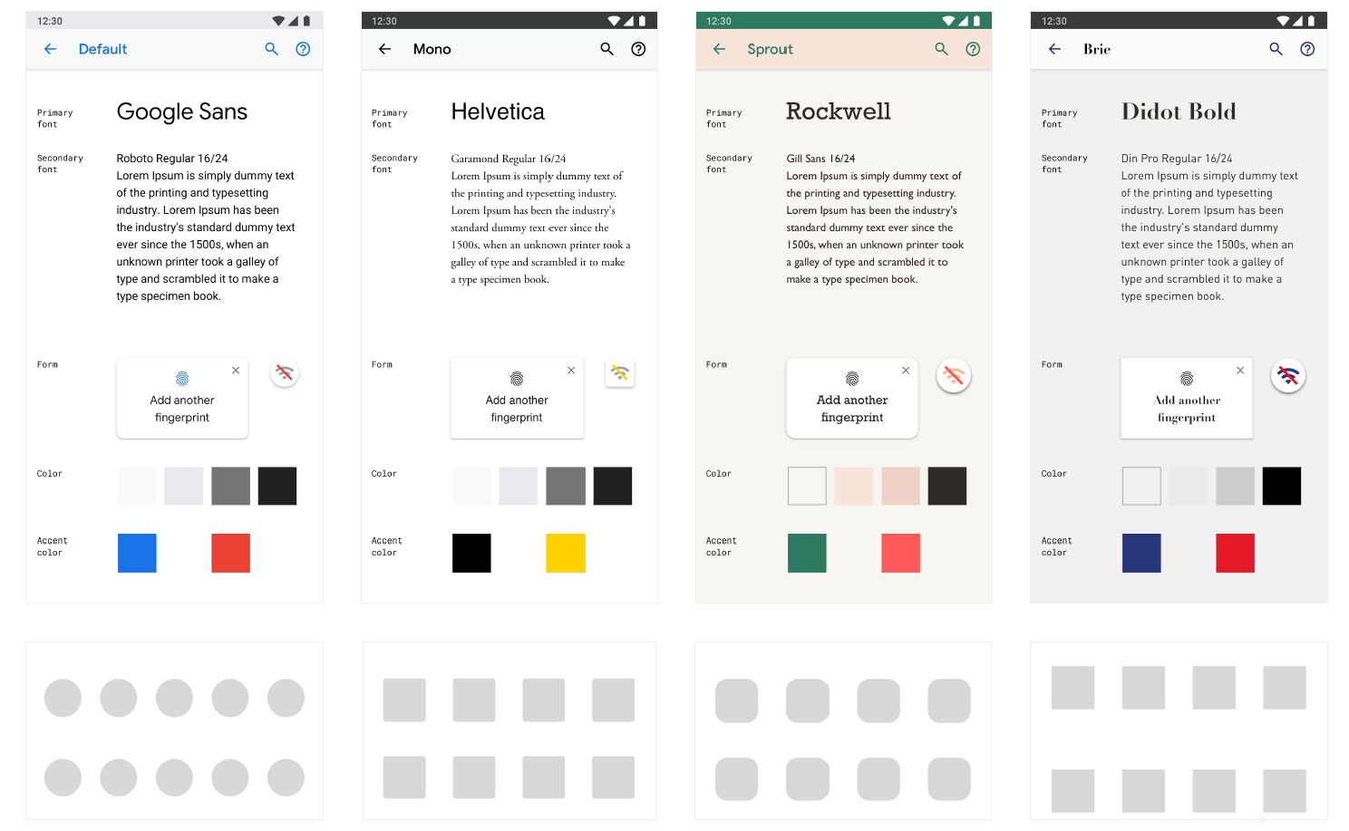

Theme Bundle，可使用不同的color、accent color、Icon shape等

